BS
Balance Sheet
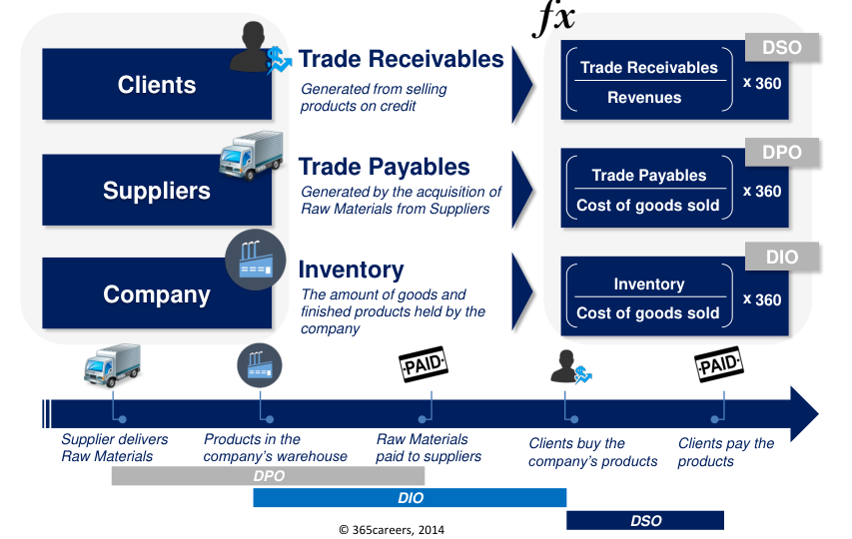
 | * |  |  | Forecast
$ in million | 31-Dec-14 | 31-Dec-15 | 31-Dec-16 | 31-Dec-17 | 31-Dec-18 | 31-Dec-19 | 31-Dec-20 | 31-Dec-21
Trade Receivables | 143.9 | 154.8 | 169.3 | 163.7 | 168.6 | 173.6 | 178.8 | 184.2
Inventory | 85.0 | 92.0 | 110.0 | 97.5 | 100.5 | 103.5 | 106.6 | 109.8
PP&E | 632.5 | 632.5 | 659.5 | 673.6 | 688.0 | 702.6 | 717.6 | 733.0
Cash | 24.8 | 21.8 | 220.0 | 409.6 | 559.8 | 714.4 | 873.2 | 1,036.3
Other assets | 45.9 | 46.9 | 68.0 | 56.1 | 57.8 | 59.6 | 61.4 | 63.2
Assets | 932.1 | 948.0 | 1,226.8 | 1,400.5 | 1,574.7 | 1,753.7 | 1,937.6 | 2,126.4

Trade Payables | 68.0 | 68.9 | 68.9 | 69.9 | 72.0 | 74.1 | 76.3 | 78.6
Provisions | 32.5 | 28.7 | 28.7 | 28.7 | 28.7 | 28.7 | 28.7 | 28.7
Financial Liabilities | 615.8 | 610.4 | 605.0 | 565.2 | 521.8 | 474.5 | 422.9 | 366.7
Other liabilities | 48.3 | 43.3 | 38.9 | 45.8 | 47.1 | 48.5 | 50.0 | 51.5
Equity | 167.5 | 196.7 | 485.3 | 691.0 | 905.1 | 1,127.9 | 1,359.7 | 1,600.9
Liabilities & Equity | 932.1 | 948.0 | 1,226.8 | 1,400.5 | 1,574.7 | 1,753.7 | 1,937.6 | 2,126.4

DSO | 17.7 | 18.7 | 20.0 | 18.8 | 18.8 | 18.8 | 18.8 | 18.8
DPO | 17.5 | 17.9 | 18.1 | 17.9 | 17.9 | 17.9 | 17.9 | 17.9
DIO | 21.8 | 23.9 | 29.0 | 24.9 | 24.9 | 24.9 | 24.9 | 24.9
Other assets % | 1.6% | 1.6% | 2.2% | 2% | 2% | 2% | 2% | 2%
Other liabilities % | 1.7% | 1.5% | 1.3% | 1% | 1% | 1% | 1% | 1%

Check | 0.0 | 0.0 | 0.0 | 0.0 | 0.0 | 0.0 | 0.0 | 0.0

 |  |  |  |  |  |  |  |  | * Here using index(match,match) to get value from the raw data

Fixed Asset Roll Forward
Fixed Asset Roll Forward

2
Format the sheet nicely. Use the usual formatting macro and pre-saved Cell styles.
 |  |  |  | Forecast
$ in million | 31-Dec-14 | 31-Dec-15 | 31-Dec-16 | 31-Dec-17 | 31-Dec-18 | 31-Dec-19 | 31-Dec-20 | 31-Dec-21
Beginning PP&E |  | 632.5 | 632.5 | 659.5 | 673.6 | 688.0 | 702.6 | 717.6
D&A |  | (44.0) | (41.0) | (44.3) | (45.3) | (46.2) | (47.2) | (48.2)
Capex |  | 44.0 | 68.0 | 58.4 | 59.6 | 60.9 | 62.2 | 63.5
Ending PP&E |  | 632.5 | 659.5 | 673.6 | 688.0 | 702.6 | 717.6 | 733.0

D&A as a % of beginning PP&E |  | -7.0% | -6.5% | -6.7% | -6.7% | -6.7% | -6.7% | -6.7%
Capex as a % of beginning PP&E |  | 7.0% | 10.8% | 8.9% | 8.9% | 8.9% | 8.9% | 8.9%
 |  |  |  | ** This come from average by historical data

Calculate historical D&A as a % of beginning PP&E, and Capex as a % of beginning PP&E. Apply the average of these numbers for 2017-2021.
3

4
Apply forecasted D&A % of PP&E, and Capex as % of PP&E to obtain Beginning and Ending PP&E for the forecast period.

5
Link the forecasted PP&E values to the Balance Sheet

Financial Liability
Fixed Asset Roll Forward

 |  |  |  | Forecast
$ in million | 31-Dec-14 | 31-Dec-15 | 31-Dec-16 | 31-Dec-17 | 31-Dec-18 | 31-Dec-19 | 31-Dec-20 | 31-Dec-21
Begening Debt |  | 615.8 | 610.4 | 605.0 | 565.2 | 521.8 | 474.5 | 422.9
New Debt |  | 0.0 | 0.0 | 0.0 | 0.0 | 0.0 | 0.0 | 0.0
Principal Repayment |  | (5.4) | (5.4) | (39.8) | (43.4) | (47.3) | (51.6) | (56.2)
Ending Debt | 615.8 | 610.4 | 605.0 | 565.2 | 521.8 | 474.5 | 422.9 | 366.7
 | * Come from financial Liab. |  |  | **** Taking Debt repayment from EIR table

Debt to repaid in (years) | 10
Interest rate (%) | 9%
Annual payment | ($94.27) | <<PMT formular
 | *** This exactly similar concept to cal for PV in IFRS16 Leasing concept but this reverse because we know "Ending Debt" is PV then we need to divide by AVPF then become PMT formular

Period | 1 | 2 | 3 | 4 | 5 | 6 | 7 | 8 | 9 | 10
Payment | (94.3) | (94.3) | (94.3) | (94.3) | (94.3) | (94.3) | (94.3) | (94.3) | (94.3) | (94.3)
Interest Expense | (54.4) | (50.9) | (47.0) | (42.7) | (38.1) | (33.0) | (27.5) | (21.5) | (14.9) | (7.8) | (337.7)
Debt Repayment | (39.8) | (43.4) | (47.3) | (51.6) | (56.2) | (61.3) | (66.8) | (72.8) | (79.3) | (86.5)
Residual | 565.2 | 521.8 | 474.5 | 422.9 | 366.7 | 305.4 | 238.6 | 165.8 | 86.5 | 0.0
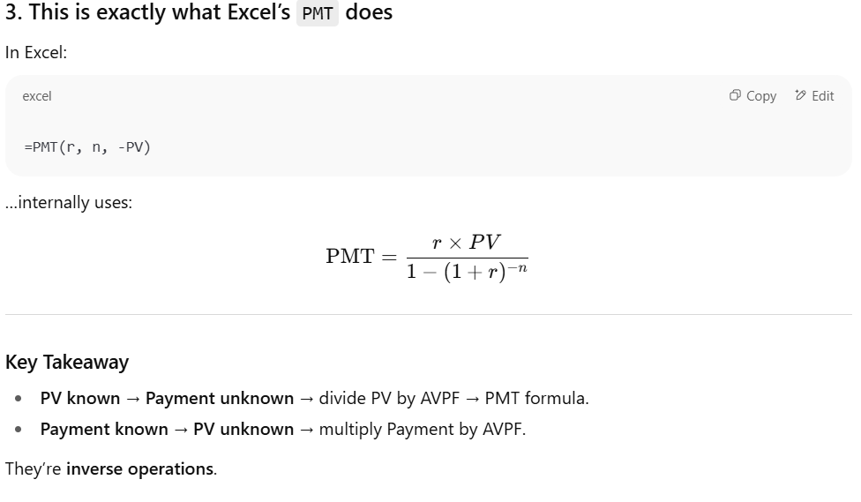
 | ****

Equity Schedule
Fixed Asset Roll Forward

 |  |  |  | Forecast
$ in million | 31-Dec-14 | 31-Dec-15 | 31-Dec-16 | 31-Dec-17 | 31-Dec-18 | 31-Dec-19 | 31-Dec-20 | 31-Dec-21
Begining Equity |  |  |  | 485.3 | 691.0 | 905.1 | 1,127.9 | 1,359.7
Increase of Capital |  |  |  | 0.0 | 0.0 | 0.0 | 0.0 | 0.0
Net income (Loss) |  |  |  | 342.9 | 356.8 | 371.3 | 386.4 | 402.1
Dividens |  |  |  | (137.1) | (142.7) | (148.5) | (154.5) | (160.8)
Ending Equity |  |  | 485.3 | 691.0 | 905.1 | 1,127.9 | 1,359.7 | 1,600.9

Dividens |  |  |  | 40.0% | 40.0% | 40.0% | 40.0% | 40.0%
 |  |  |  | ** This come from average by historical data

5
Link the forecasted PP&E values to the Balance Sheet

Cash flow
Cash Flow

2
Format the sheet in a professional way.
 | Forecast
$ in mln | 2017 | 2018 | 2019 | 2020 | 2021
EBITDA* | 626.2 | 645.0 | 664.4 | 684.3 | 704.8
Interest expenses | (54.4) | (50.9) | (47.0) | (42.7) | (38.1)
Taxes | (184.6) | (192.1) | (199.9) | (208.0) | (216.5)
Build the structure of a Cash Flow statement.
3
Change in Trade receivables | 5.6 | (4.9) | (5.1) | (5.2) | (5.4)
Change in Inventory | 12.5 | (2.9) | (3.0) | (3.1) | (3.2)
Change in Trade payables | 1.0 | 2.1 | 2.2 | 2.2 | 2.3
Change in Other assets | 11.9 | (1.7) | (1.7) | (1.8) | (1.8)
Change in Other liabilities | 6.9 | 1.4 | 1.4 | 1.5 | 1.5
Capex | (58.4) | (59.6) | (60.9) | (62.2) | (63.5)
Operating Cash Flow | 366.6 | 336.4 | 350.4 | 364.9 | 380.1
Dividends | (137.1) | (142.7) | (148.5) | (154.5) | (160.8)
Change in Financial liabilities | (39.8) | (43.4) | (47.3) | (51.6) | (56.2)
Change in Provisions | 0.0 | 0.0 | 0.0 | 0.0 | 0.0
Change in Equity | 0.0 | 0.0 | 0.0 | 0.0 | 0.0
Net Cash Flow | 189.6 | 150.2 | 154.5 | 158.8 | 163.1

* This include depcr and amoritize in controlling subject we start with EBIT

